Regts
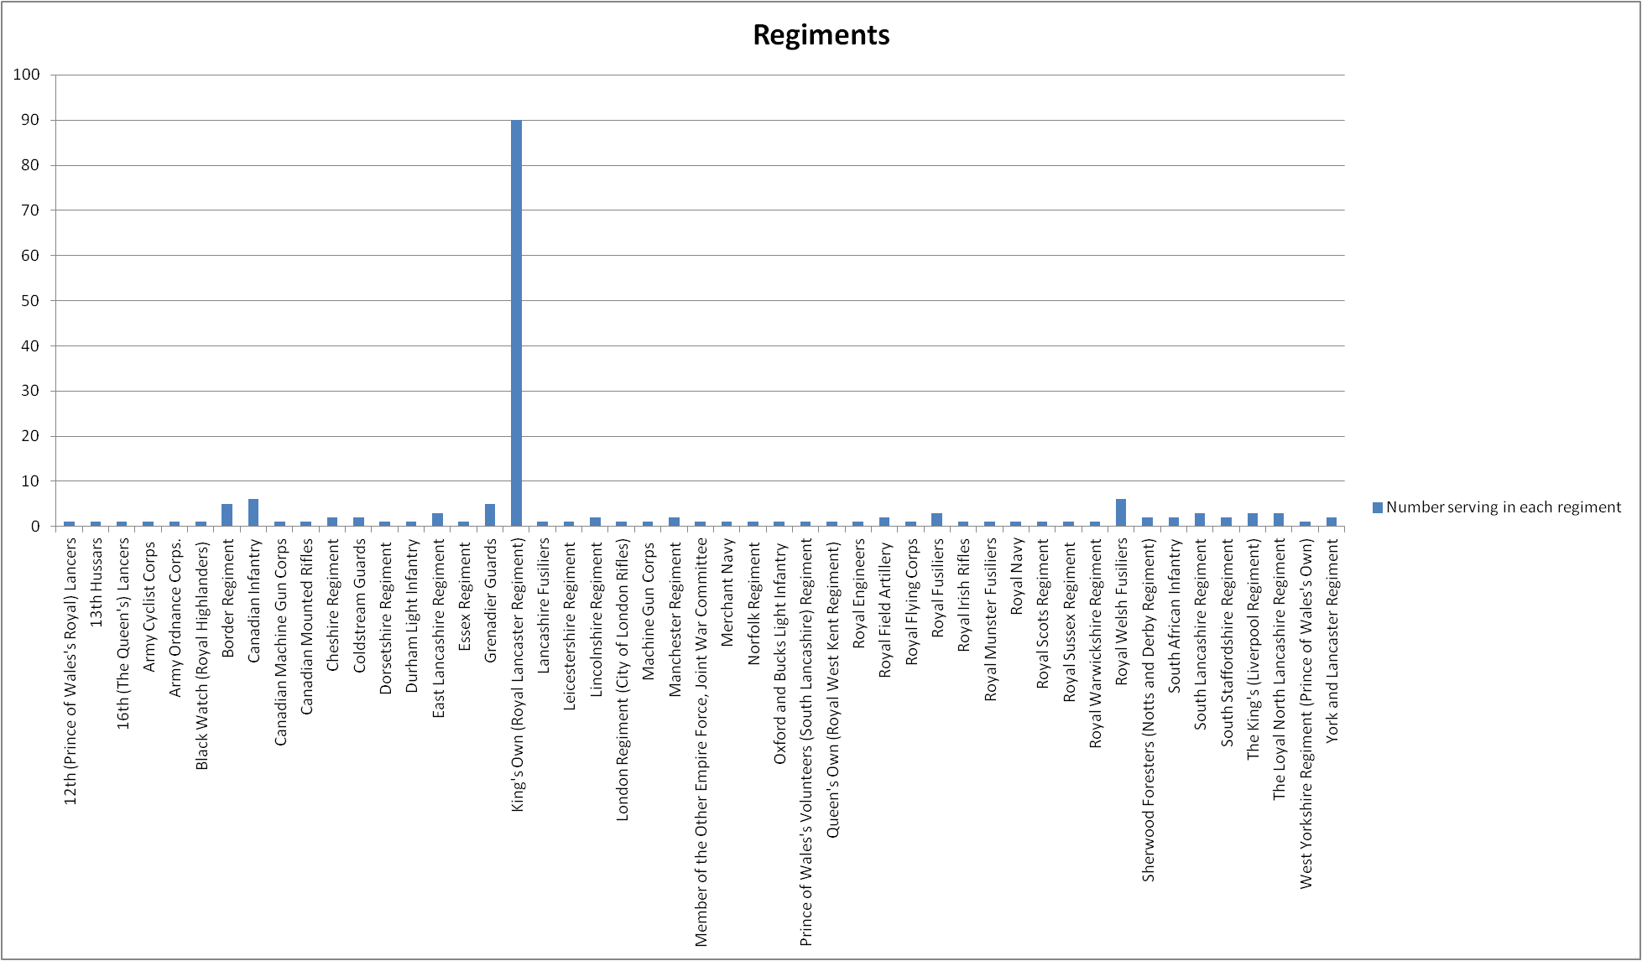
Regiment | Number serving in each regiment
12th (Prince of Wales's Royal) Lancers | 1
13th Hussars | 1
16th (The Queen's) Lancers | 1
Army Cyclist Corps | 1
Army Ordnance Corps. | 1
Regiments
Black Watch (Royal Highlanders) | 1
Border Regiment | 5
Canadian Infantry | 6
Canadian Machine Gun Corps | 1
Canadian Mounted Rifles | 1
Cheshire Regiment | 2
Coldstream Guards | 2
Dorsetshire Regiment | 1
Durham Light Infantry | 1
East Lancashire Regiment | 3
Essex Regiment | 1
Grenadier Guards | 5
King's Own (Royal Lancaster Regiment) | 90
Lancashire Fusiliers | 1
Leicestershire Regiment | 1
Lincolnshire Regiment | 2
London Regiment (City of London Rifles) | 1
Machine Gun Corps | 1
Manchester Regiment | 2
Member of the Other Empire Force, Joint War Committee | 1
Merchant Navy | 1
Norfolk Regiment | 1
Oxford and Bucks Light Infantry | 1
Prince of Wales's Volunteers (South Lancashire) Regiment | 1
Queen's Own (Royal West Kent Regiment) | 1
Royal Engineers | 1
Royal Field Artillery | 2
Royal Flying Corps | 1
Royal Fusiliers | 3
Royal Irish Rifles | 1
Royal Munster Fusiliers | 1
Royal Navy | 1
Royal Scots Regiment | 1
Royal Sussex Regiment | 1
Royal Warwickshire Regiment | 1
Royal Welsh Fusiliers | 6
Sherwood Foresters (Notts and Derby Regiment) | 2
South African Infantry | 2
South Lancashire Regiment | 3
South Staffordshire Regiment | 2
The King's (Liverpool Regiment) | 3
The Loyal North Lancashire Regiment | 3
West Yorkshire Regiment (Prince of Wales's Own) | 1
York and Lancaster Regiment | 2

Deaths Dates
Row Labels | Count of Date of death
1914-08-17 | 1
1914-10-20 | 1
1914-10-27 | 1
1914-12-05 | 1
Ulverston Fallen On Each Day Throughout The Great War
1914-12-22 | 1
1915-04-10 | 1
1915-04-16 | 1
1915-04-23 | 2
1915-05-27 | 2
1915-06-15 | 5
1915-06-16 | 1
1915-07-02 | 1
1915-07-19 | 1
1915-07-22 | 1
1915-08-09 | 2
1915-09-25 | 2
1915-10-08 | 1
1915-10-17 | 1
1915-10-21 | 1
1915-10-27 | 1
1915-10-28 | 1
1916-02-05 | 1
1916-03-22 | 1
1916-03-27 | 1
1916-04-09 | 1
1916-04-10 | 1
1916-04-18 | 1
1916-04-19 | 1
1916-05-06 | 1
1916-05-17 | 1
1916-05-31 | 1
1916-06-20 | 1
1916-06-27 | 1
1916-07-01 | 1
1916-07-02 | 1
1916-07-03 | 2
1916-07-10 | 2
1916-07-17 | 1
1916-07-20 | 1
1916-07-27 | 1
1916-07-30 | 1
1916-07-31 | 2
1916-08-01 | 1
1916-08-03 | 1
1916-08-04 | 1
1916-08-08 | 14
1916-08-11 | 1
1916-08-15 | 2
1916-08-16 | 1
1916-08-18 | 2
1916-08-24 | 1
1916-09-02 | 1
1916-09-03 | 1
1916-09-06 | 1
1916-09-08 | 1
1916-09-11 | 2
1916-09-28 | 1
1916-09-29 | 1
1916-10-23 | 1
1916-10-25 | 1
1916-12-23 | 1
1917-01-08 | 2
1917-02-09 | 1
1917-02-17 | 1
1917-04-09 | 1
1917-04-12 | 1
1917-04-19 | 1
1917-04-28 | 1
1917-04-30 | 1
1917-05-03 | 1
1917-05-12 | 1
1917-05-18 | 1
1917-06-12 | 1
1917-06-25 | 1
1917-07-23 | 1
1917-07-31 | 5
1917-08-17 | 1
1917-08-18 | 1
1917-09-03 | 1
1917-09-14 | 1
1917-09-20 | 4
1917-09-26 | 1
1917-09-27 | 1
1917-10-05 | 1
1917-10-09 | 1
1917-10-10 | 1
1917-10-20 | 1
1917-10-25 | 1
1917-10-26 | 1
1917-11-10 | 1
1917-11-30 | 3
1917-12-02 | 3
1917-12-05 | 1
1918-02-11 | 1
1918-03-21 | 1
1918-03-22 | 1
1918-03-25 | 1
1918-03-29 | 1
1918-04-09 | 3
1918-04-10 | 1
1918-04-13 | 1
1918-04-28 | 2
1918-05-23 | 1
1918-05-27 | 2
1918-06-13 | 1
1918-06-15 | 1
1918-06-19 | 1
1918-06-22 | 1
1918-06-28 | 1
1918-07-07 | 1
1918-08-08 | 1
1918-08-28 | 2
1918-09-02 | 1
1918-09-10 | 1
1918-09-27 | 2
1918-10-05 | 1
1918-10-16 | 2
1918-10-20 | 1
1918-10-27 | 1
1918-10-29 | 1
1918-11-02 | 1
1918-11-04 | 1
1918-11-06 | 2
1918-11-12 | 2
1918-11-13 | 1
1918-11-14 | 1
1919-01-13 | 1
Grand Total | 175

Deaths Area
Number deaths, area
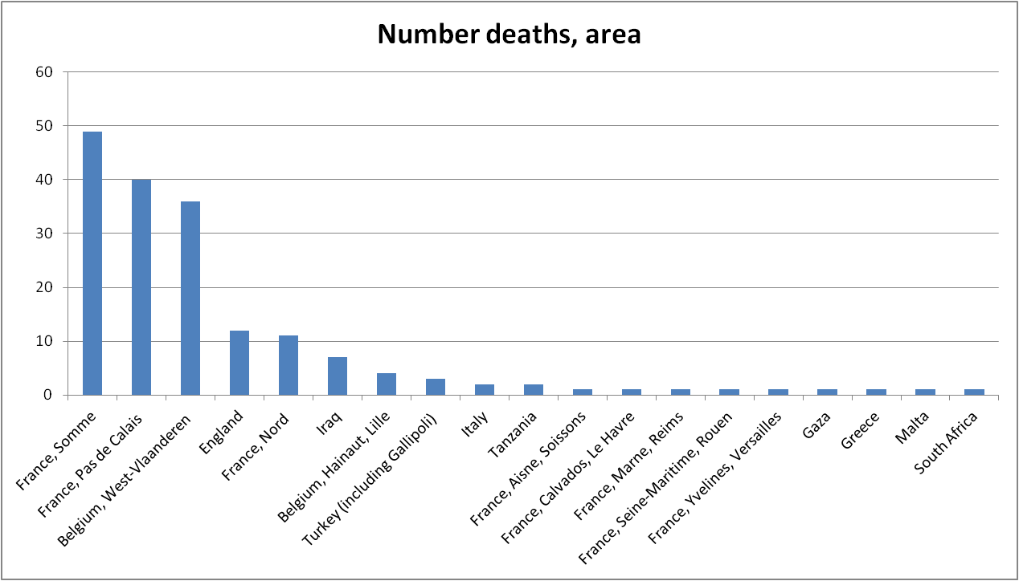
Row Labels | Number deaths
France, Somme | 49
France, Pas de Calais | 40
Belgium, West-Vlaanderen | 36
England | 12
France, Nord | 11
Iraq | 7
Belgium, Hainaut, Lille | 4
Turkey (including Gallipoli) | 3
Italy | 2
Tanzania | 2
France, Aisne, Soissons | 1
France, Calvados, Le Havre | 1
France, Marne, Reims | 1
France, Seine-Maritime, Rouen | 1
France, Yvelines, Versailles | 1
Gaza | 1
Greece | 1
Malta | 1
South Africa | 1

Number deaths, Country
Country | Number deaths
France | 105
Belgium | 40
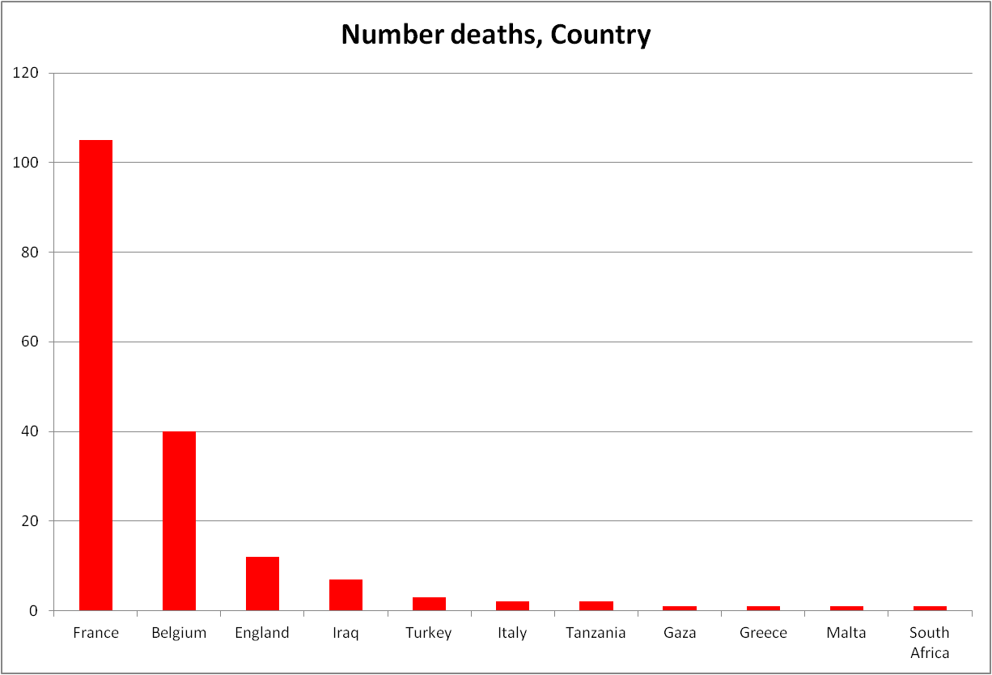
England | 12
Iraq | 7
Turkey | 3
Italy | 2
Tanzania | 2
Gaza | 1
Greece | 1
Malta | 1
South Africa | 1

